OPS - Membership and Sales
Feature / Capability | Workflow Description (As-Is -> To-Be) | Priority | Business Owner | Success Criteria | Demo Scenario ID | ABC Score | ABC Notes | Zenoti Score | Zenoti Notes | Sport Alliance Score | Sport Alliance Notes
Ability to delete old invalid funding sources with new cards being added | Member updates billing > old card gets deleted or removed | High |  | When updating billing old cards should be able to be deleted/removed |  | 5 | yes |  |  | 5 | yes, simply replace with new CC or EFT
Ability to redeem PT Sessions | Look up member > click on session paid > redeem | High |  |  |  | 5 |  | 5 | Not covered on the call ( Covered during the PT call)
Alerted Check ins need to alert Front Desk | Member checks in > Alerts pops up with Alert reason | High |  |  |  | 5 | yes, with full payment options for balance due | 5 | yes and we can configure - red is bad, green is good and the color is around thier picture in a circle | 5 | They do have this and you can either let them in or they can go to POS to pay. they also have a financial red alert report we can run
System to auto apply employee discount | Team Member purchase > Discount applies at POS | Low |  |  |  | 5 | Yes, an employee discount can be set in the back office | 5 | Yes, the discount can be configured | 5 | Yes, this is possible based on configuration
Have the ability to Credit based on user role | Add or waive credits to accounts | High |  |  |  | 1 | Yes, but the amount cannot be restricted to a certain amount or number of waives. | 5 |  | 5 | Can only restrict the user of who can do credits, but not on an amount
Exchange R&C item | Look Member up > Review all Sales > Refund Item | Medium |  |  |  | 5 |  | 1 | It is not exchanged, but instead there is 2 transactions. You have to refund to thier account or back to them and then repurchase the new item. | 1 | refund and then rebuy. There is no exchange.
Ability to audit agreements | Verify that all agreements are sold correctly. | High |  |  |  | 5 | Agreement review and audit via "approval queue" is available |  |  | 4 | There is a queue that they can accept or decline the sale. It can be set in the back office if we want to let the JOL agreements go through automatically
Automated Reports | Click on reports > Run Reports > Set daily delivery dates and times | Medium |  |  |  | 4 | We would need to set these up internally to be sent out just as we do now |  |  | 2.5 | Have not seen enough of these. We saw they could do a report for financial red alerts, but does not have one for auditing so that is the reason for the scoring.
Easy search for inventory when not found via scanning barcode | POS>enter upc/discription>search>charge for Item | Low |  |  |  | 5 | Can touch on images to select what they want to ring up if they don't scan the barcode |  |  | 5 | You can search by name of product
Ease of use when updating EFT where it does not have to be attached to an agreement |  | High |  |  |  | 5 | The payment method does need to be attached to an agreement, but it is an easy process to do |  |  | 1 | There is one form of payment so it does not need to be tied to a particular agreement. Once it is updated, it starts to bill that
Assign permissions according to work role |  | High |  |  |  | 5 | Kim would do this just as she does now | 5 | Kim would do this just as she does now | 5 | yes, Kim would need to do the configurations
Ability to check in/check out kids club in the kids club | Scan in Child to verify Access | High |  |  |  | 5 |  |  |  | 1 | They do not have a kids club module. We would need a 3rd party software for KC
Childs profile needs to be attached to the Parent/Legal Guardian profile | Look at account>See guardians Info> verify they are linked | High |  |  |  | 5 |  |  |  | 1 | They do not have a kids club module. We would need a 3rd party software for KC
Ability to link FAO to primary and not effect the primary or vice versa | Look up Link Add-on > Change billing/cancel/make changes > doesn't affect primary | Medium |  |  |  | 5 | Master Association is what it is called. They can have 2 seperate addresses and EFT, but still be linked OR they do have a true FAO membership where there is just ONE EFT. |  |  | 1 | It has to be one payment information on a FAO account
Rewrite existing / active agreement | Access current Agreement to rewrite to new one | High |  |  |  | 5 |  | 5 | system can have preset upgrade and downgrade options configured. | 3 | There is no guardrail to this. They can upgrade or downgrade at the front desk if they want. There are just rules on self service.
View agreement changes, including form of payment changes | Acces account >View any history or changes | High |  |  |  | 5 | Yes, there is a detailed log for changes on each members account | 5 | Yes, there is a detailed log for changes on each members account | 5 | Yes, this is tracked via the history tab
Search system by credit card to locate unknown charges | Enter mbrs card info to search and trouble shoot charges | High |  |  |  | 5 | Yes, they can search this on reporets | 5 | Yes, but only on a desktop and only by the last 4 numbers of the CC | 5 | Yes, we can do a search
System needs to be able auto apply all R&C promo Discounts | Scan selected item> Discounts aut apply. >second Item> 2 for Disounts Auto applies | High |  |  |  | 5 | Yes, this can be configured to give whatever discount | 5 | Yes, discount auto applied but has to be configured |  | demoed
 |  |  |  |  |  |  | NOTES: |  | NOTES:
 |  |  |  |  |  |  | Mobile responsive web and browser based operating system. Platform update - next week |  | Loyalty points and rewards are built into the system |  | CRM and lead management tools. Includes campaign tracking, booking of tour appts, kiosk for lead file.
 |  |  |  |  |  |  | True Med to facilitate HSA FSA |  | Kiosk solution available for inclub sales, guest pass etc. this should be demo'd |  | Churn Risk-magicAI Engage - AI agent communications tool
 |  |  |  |  |  |  | Still need a signature device for the browser based manual membership sales :( |  | mapping of the current guest and member flows from hubspot is possible. |  | AWS Email infrastructure. Comms log,
 |  |  |  |  |  |  | use Hubspot, the CRM is not comparable. |  | auto transfer to another location, or upon review. |  | taxation is configured on our behalf.
 |  |  |  |  |  |  | QR code display for member to pay balance. Ingenico devices. Payment links via text message. |  | reveue recognition can be configured in the membership |  | brand level membership definition, with regional and location specific access and pricing.
 |  |  |  |  |  |  | ingenico. pos station, wireless to be used by any check out? Model lane 7000 as default, with sig capture. . 3500 no sig capture |  |  |  | Services and addons

 |  |  |  |  |  |  | Need a break-out for member profile review. Member management flows etc.
 |  |  |  |  |  |  | Break-out for corporate memberships and set up
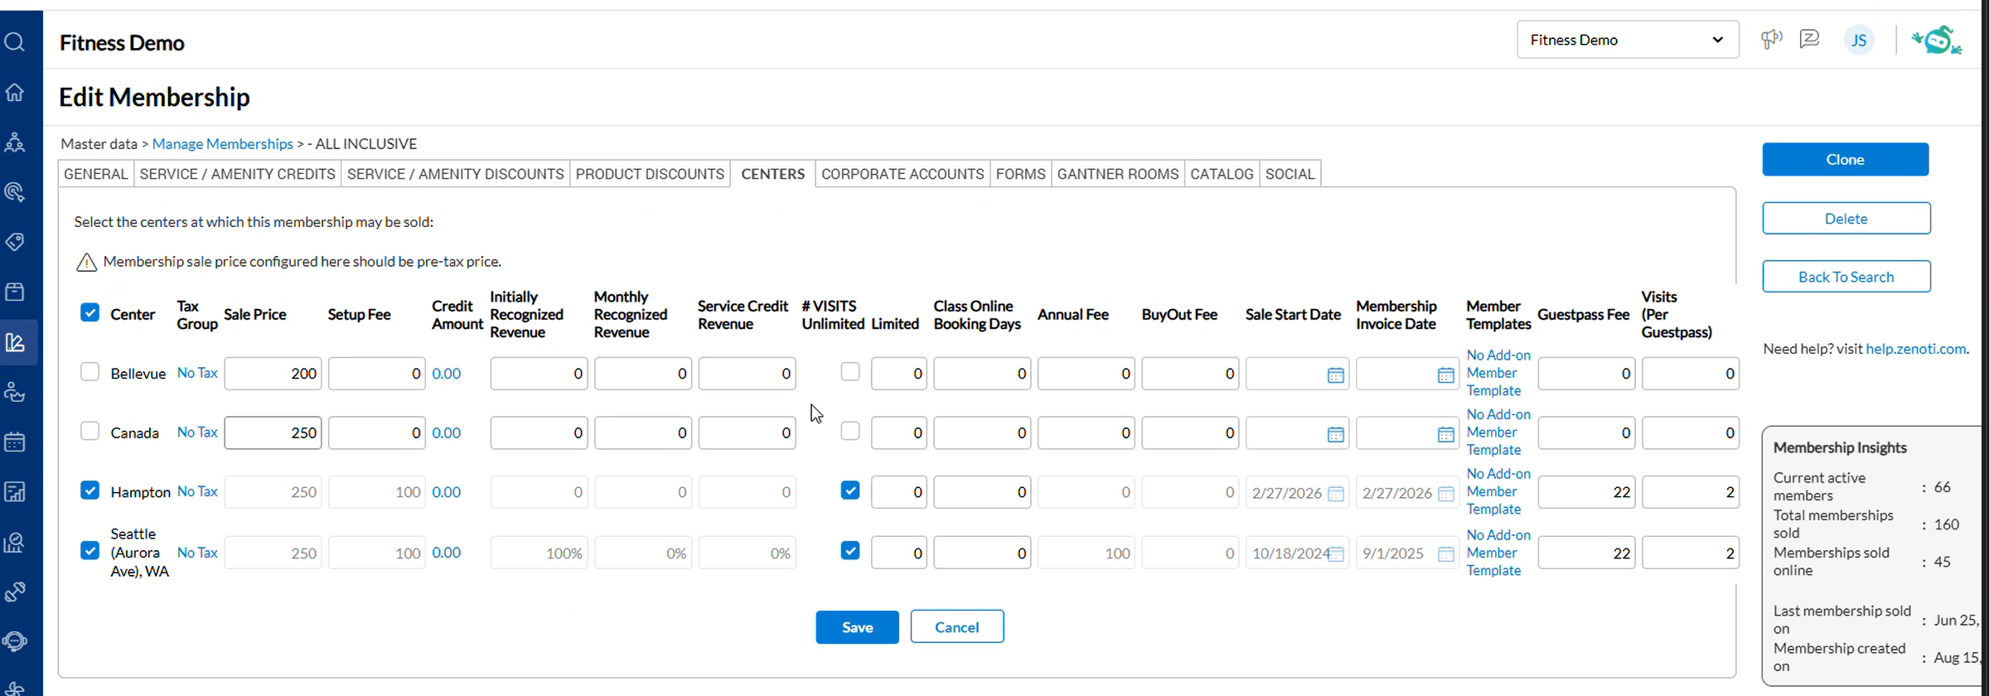
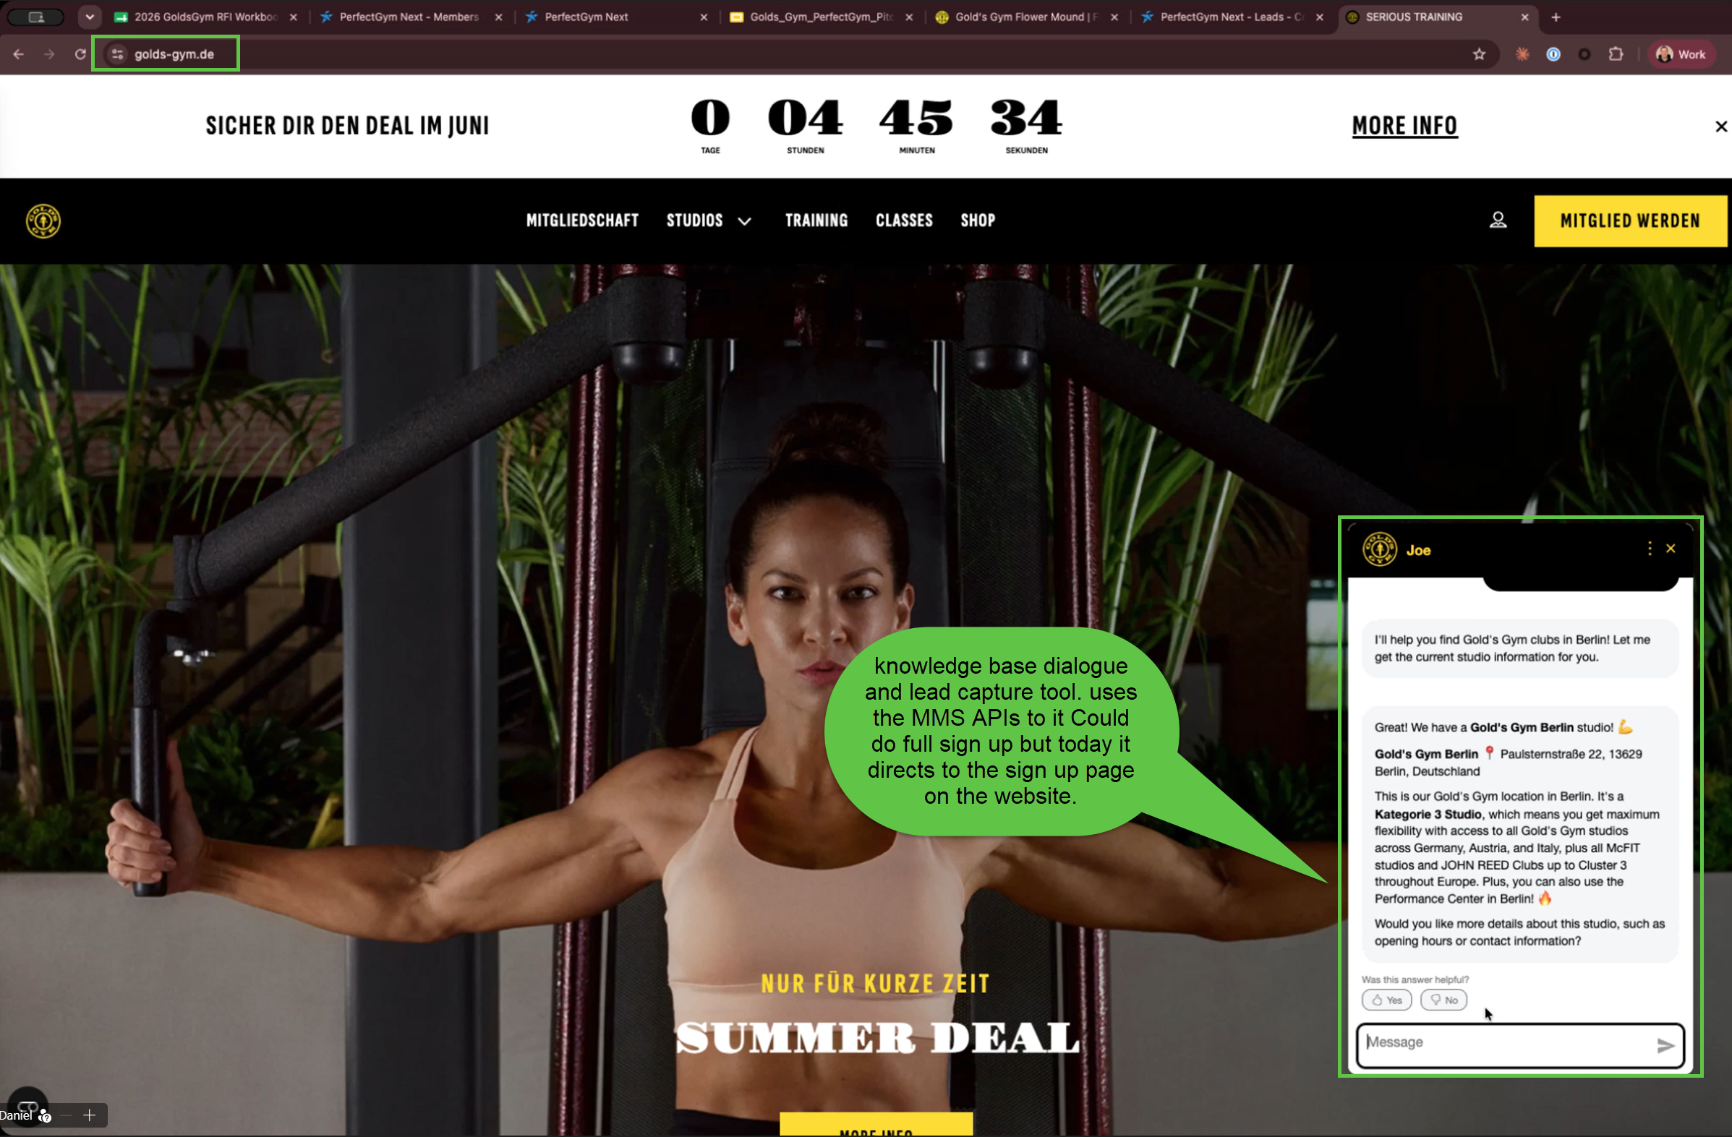
 |  |  |  |  |  |  | Kids club check-in is seperate,

Addt'l Notes |  |  |  |  |  |  |  |  |  | 5 | Their app prevents screen shots of barcode so cannot share, and it rotates a QR code every 30 sec

